Defect Overview

Project Name/ Logo

Total bugs encountered
Bugs in | Open state
 | Resolved state
 | Closed state

BUG001
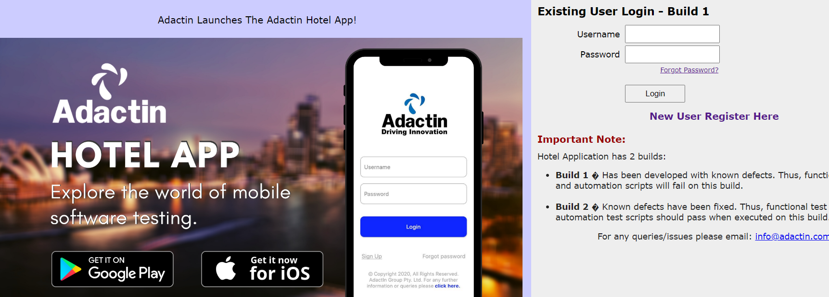
Defect Template

Defect ID | BUG001 | Assigned To | DEV
Status | NEW | Browser | Chrome
Severity |  | Found in Version | 1.0.0.1
Priority |  | Found in Build | 1
Module | Login page | Fixed in version
Reported By | Sitakant | Fixed in build

Title/summery: | Adactin:Login page:Link on image is not working-Google piay and IOS
Description Steps To Re-Produce : 1.Launch browser 2.Enter url 3.Verify links on image 3.1Click on google play 4.click on IOS Expected Result : 3.1.Plastore should be displayed and worked 3.2.IOS should be displayed and worked Actual Result : Play store and IOS is not working

BUG002
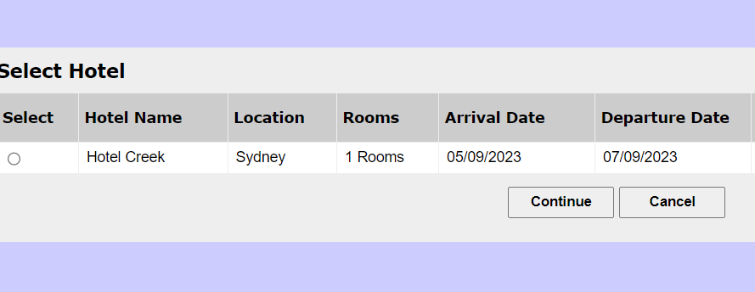
Defect Template

Defect ID | BUG002 | Assigned To | DEV
Status | NEW | Browser | Chrome
Severity |  | Found in Version | 1.0.0.1
Priority |  | Found in Build | 1
Module | Search Hotel | Fixed in version
Reported By | Sitakant | Fixed in build

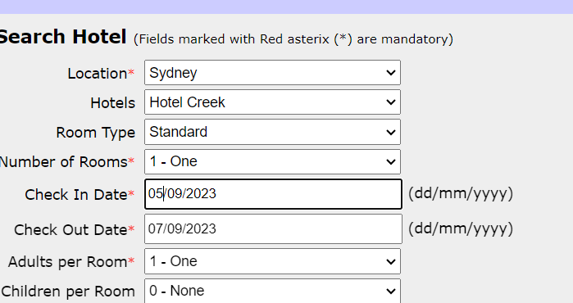
Title/Summery: | Adactin:SearchHotel: Validation of check in date is not working -Accepting previous date
Description Steps To Re-Produce : 1.Launch browser 2.Enter url 3.Enter username 4.Enter password 5.Click on login button 6.Select location 7.Select hotel 8.Select room type 9.Select no of rooms 10.Enter previous check in date 11.Enter check out date 12.Select adults 13.Select children 14.Click on search button Expected Result :Error message should be displayed Actual Result :Search hotel page is successful select hotel page is displayed

BUG003
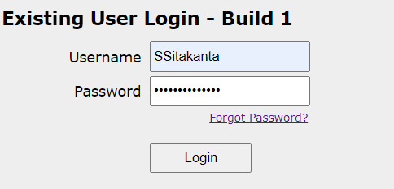

Defect Template

Defect ID | BUG003 | Assigned To | DEV
Status | NEW | Browser | Chrome
Severity |  | Found in Version | 1.0.0.1
Priority |  | Found in Build | 1
Module | SelectHotel | Fixed in version
Reported By | Sitakant | Fixed in build

Title/Summery | Adactin:Select hotel:User entered Username is not displaying in select hotel page
Description Steps To Re-Produce : 1.Launch browser 2.Enter url 3.Enter username 4.Enter password 5.Click on login in button 6.Select location 7.Select hotels 8.Select room type 9.Select no of rooms 10.Enter check in date 11.Enter check out date 12.Select adult 13.Select children 14.Click on search button 15.Verify hello text Expected Result :User entered ( Username)in login page should be displayed as Hello (Username)on search hotel page, Select hotel page,... Actual Result :User entered (Username) in login page is not displayed in select hotel page

BUG004
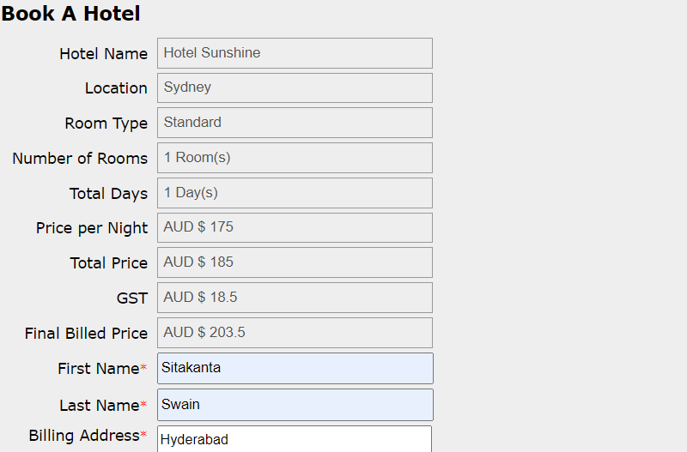
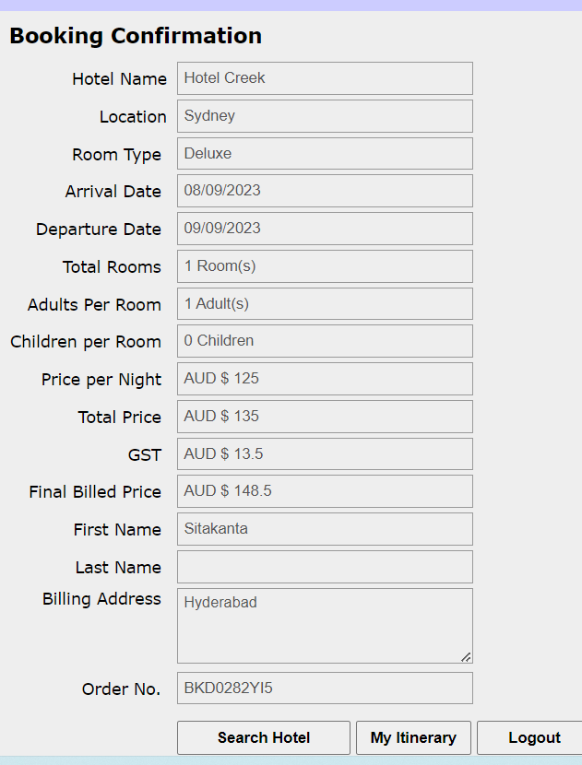
Defect Template

Defect ID | BUG004 | Assigned To | DEV
Status | NEW | Browser | Chrome
Severity |  | Found in Version | 1.0.0.1
Priority |  | Found in Build | 1
Module | Order generation Page | Fixed in version
Reported By | Sitakant | Fixed in build

Title/Summery | Adactin:Order generation page: User entered last name is not displaying
Description Steps To Re-Produce : 1.Launch browser 2.Enter url 3.Enter username 4.Enter password 5.Click on login in button 6.Select all required fields 7.Click on search button 8.Select a required hotel 9.Select Provide all required fields 10.Click on book now button 11.hotel name,location,roomtype,Arrival date,departure date,total rooms,adult,children,price per night,total price,GST,Final billed price,Final billed price, First name,Last name, ,Billing address,Order number Expected Result :Read only data should be displayed in based on select option provided in select hotel page and book hotel page Actual Result :Last name is not dispalying in order generation page

BUG006
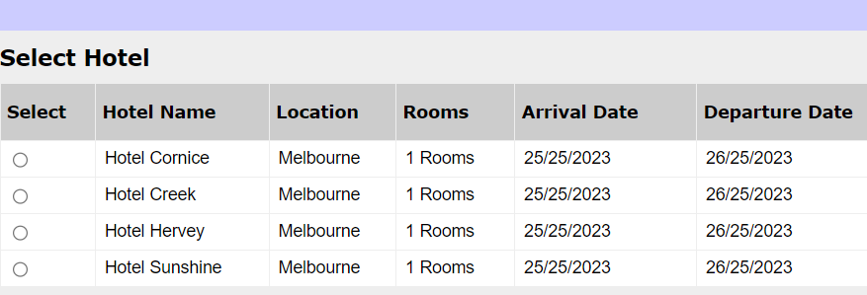
Defect Template

Defect ID | BUG006 | Assigned To | DEV
Status | NEW | Browser | Chrome
Severity |  | Found in Version | 1.0.0.1
Priority |  | Found in Build | 1
Module | SelectHotel | Fixed in version
Reported By | Sitakant | Fixed in build

Title/Summery | Adactin:Select hotel:Booking confirmation with invalid text
Description Steps To Re-Produce : 1.Launch browser 2.Enter url 3.Enter username 4.Enter password 5.Click on login in button 6.Select location 7.Select hotels 8.Select room type 9.Select no of rooms 10.Enter check invalid in date 11.Enter check invalid out date 12.Select adult 13.Select children 14.Click on search button Expected Result : Error result should be displayed Actual Result :Select hotel page is displaying

BUG007
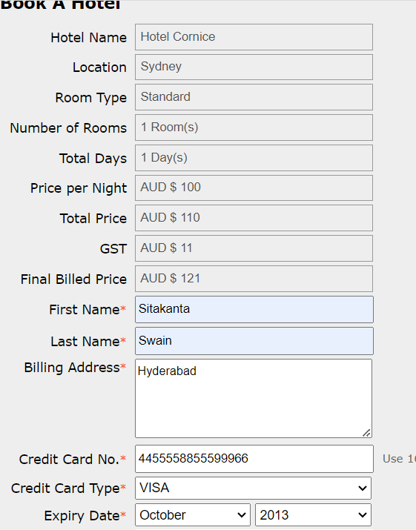
Defect Template

Defect ID | BUG007 | Assigned To | DEV
Status | NEW | Browser | Chrome
Severity |  | Found in Version | 1.0.0.1
Priority |  | Found in Build | 1
Module | Book a hotel | Fixed in version
Reported By | Sitakant | Fixed in build

Title/Summery | Adactin:Book a hotel:Booking is confirmed with credit card number with in valid expire date
Description Steps To Re-Produce : 1.Launch browser 2.Enter url 3.Enter username 4.Enter password 5.Click on login in button 6.Select all required fields 7.Click on search button 8.Select a required hotel 9.Enter first name 10.Enter last name 11.Enter billing address 12.Enter credit card no 13.Enter credit card type 14.Enter invalid expire date 15.Enter cvv no 16.Click on book now button Expected Result : Error result should be displayed Actual Result :Order generation page is displayed

BUG008
Defect Template

Defect ID | BUG008 | Assigned To | DEV
Status | NEW | Browser | Chrome
Severity |  | Found in Version | 1.0.0.1
Priority |  | Found in Build | 1
Module | SelectHotel & Book a hotel | Fixed in version
Reported By | Sitakant | Fixed in build

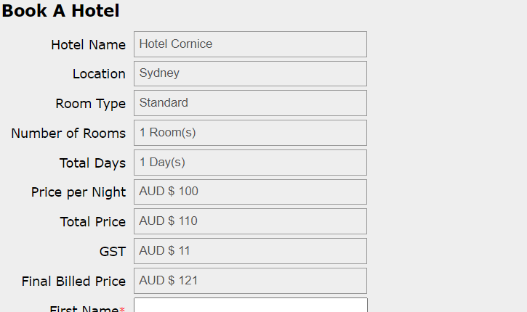
Title/Summery | Adactin:Select hotel And Book a hotel :Error in total price and calculation add $10 extra and two times add in GST
Description Steps To Re-Produce : 1.Launch browser 2.Enter url 3.Enter username 4.Enter password 5.Click on login in button 6.Select all required fields 7.Click on search button 8.Select a required hotel 9.Click on continue button Expected Result : Error result should dispalyed Actual Result :Book a hotel page is displayed

BUG009
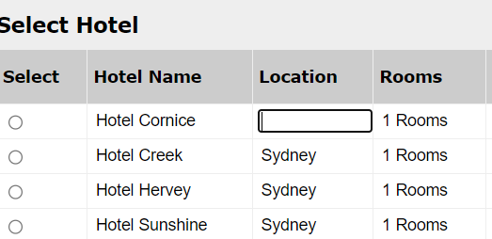
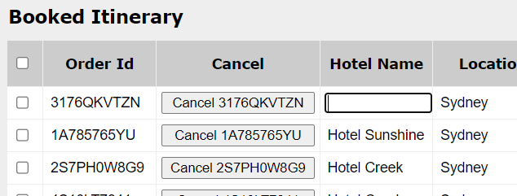
Defect Template

Defect ID | BUG009 | Assigned To | DEV
Status | NEW | Browser | Chrome
Severity |  | Found in Version | 1.0.0.1
Priority |  | Found in Build | 1
Module | SelectHotel& Booked iotenerary | Fixed in version
Reported By | Sitakant | Fixed in build

Title/Summery | Adactin:Select hotel & Booked itenerary:Fields are aditable in select hotel page and booked itenerary page
Description Steps To Re-Produce : 1.Launch browser 2.Enter url 3.Enter username 4.Enter password 5.Click on login in button 6.Clicked on Booked itenery link Expected Result : These two pages fieldes are not aditable beacause its radio button and Check box Actual Result :These two pages fields are aditable

BUG012
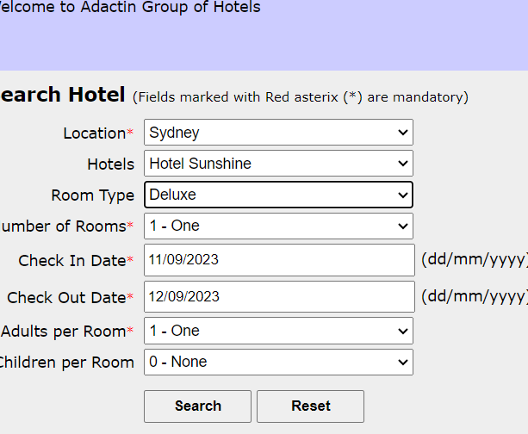

Defect Template

Defect ID | BUG012 | Assigned To | DEV
Status | NEW | Browser | Chrome
Severity |  | Found in Version | 1.0.0.1
Priority |  | Found in Build | 1
Module | Booking confirmation | Fixed in version
Reported By | Sitakant | Fixed in build

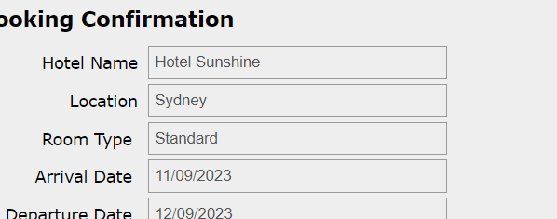
Title/Summery | Adactin:Booking confirmation:All the rooms are not displaying only standard rooms are displaying
Description Steps To Re-Produce : 1.Launch browser 2.Enter url 3.Enter username 4.Enter password 5.Click on login in button 6.Select all required field 7.click on search button 8.Select a required hotel 9.Click on continue button 10.Provide all required details 11.Click on book now button Expected Result : Entered all data should be dispalyed Actual Result :Entered all data are not displayed

BUG013
Defect Template

Defect ID | BUG013 | Assigned To | DEV
Status | NEW | Browser | Chrome
Severity |  | Found in Version | 1.0.0.1
Priority |  | Found in Build | 1
Module | Search hotel | Fixed in version
Reported By | Sitakant | Fixed in build

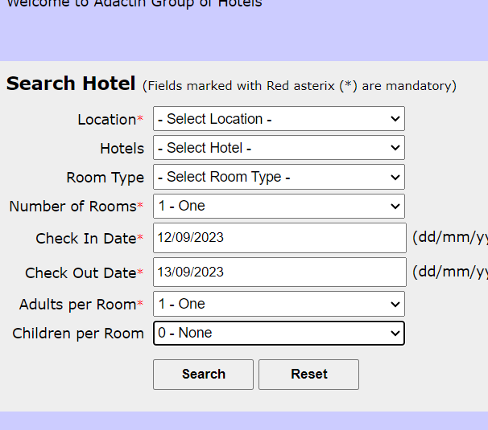
Title/Summery | Adactin:Search hotel page:Children per room in booking confirmation is not correct if there are no children
Description Steps To Re-Produce : 1.Launch browser 2.Enter url 3.Enter username 4.Enter password 5.Click on login in button 6.Select all required field Expected Result : Error result should be displayed Actual Result :Select hotel page should be displayed

BUG014
Defect Template

Defect ID | BUG014 | Assigned To | DEV
Status | NEW | Browser | Chrome
Severity |  | Found in Version | 1.0.0.1
Priority |  | Found in Build | 1
Module | Booking confirmation & Book a hotel | Fixed in version
Reported By | Sitakant | Fixed in build

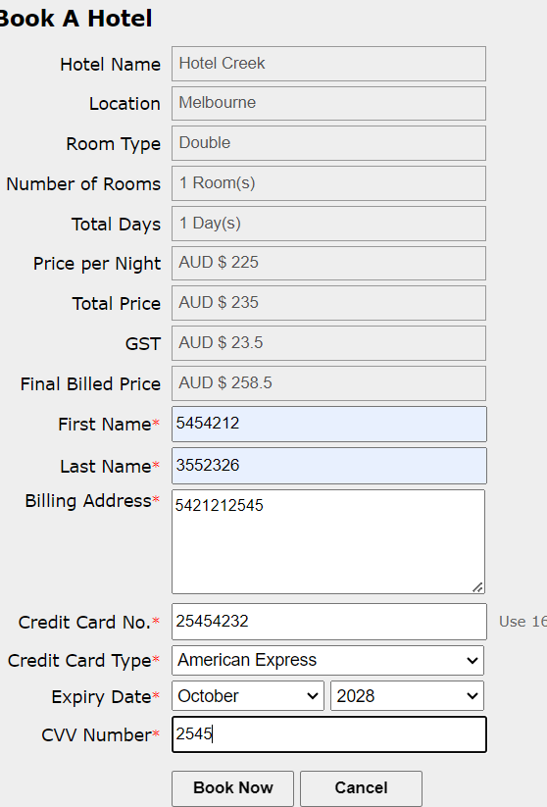
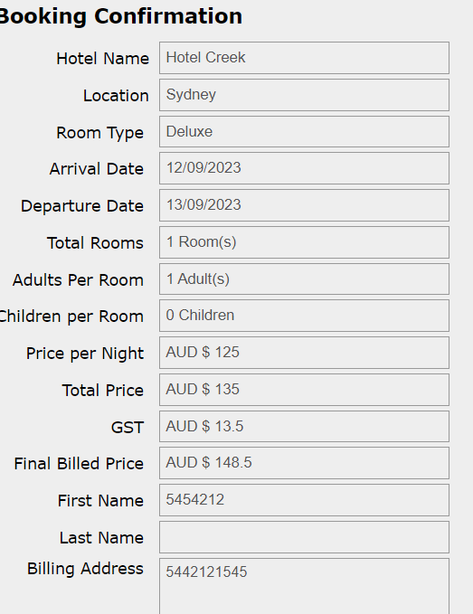
Title/Summery | Adactin:Book a hotel page&Booking confirmation page The mandatory field in Book a hotel page Number is entereing in first name,last name,billing address and it is displaying in booking confirmation page
Description Steps To Re-Produce : 1.Launch browser 2.Enter url 3.Enter username 4.Enter password 5.Click on login in button 6.Select all required field 7.click on search button 8.Select a required hotel 9.Click radio button 9.Click on continue button 10.Provide all required fields 11.Click on book now button Expected Result : Error result should be displayed Actual Result :Booking confirmation page is displayed

